QT Segment (RC Wall)
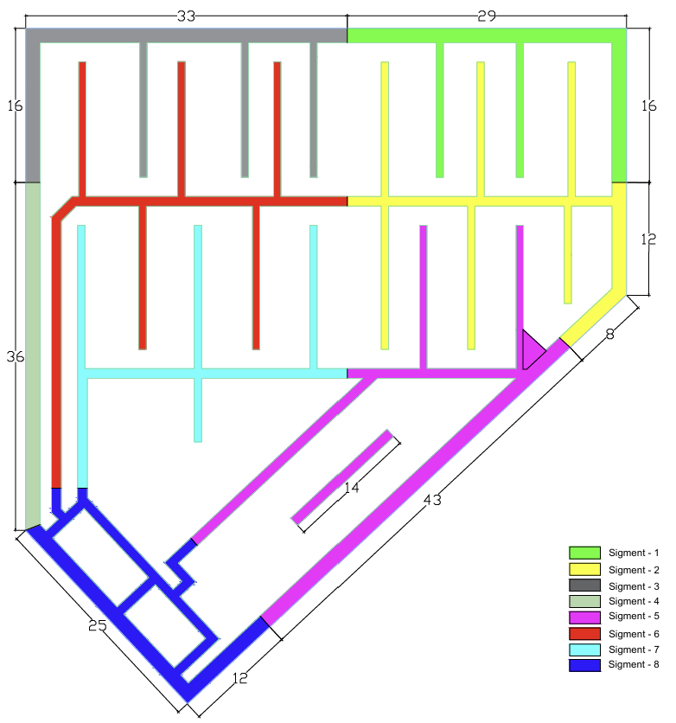
1. Qunatity for RC WALLS
Stage / Segment | Hight | Segment1 | Chamfer | Segment 2 | Chamfer | Segment 3 | Chamfer | Segment 4 | Chamfer | Segment 5 | Chamfer | Segment 6 | Chamfer | Segment 7 | Chamfer | Segment 8 | Chamfer | Total
Area (m2) |  | 86.21 | 0.36 | 117.48 | 0.36 | 103.20 | 0.36 | 53.75 | 0.36 | 147.47 | 0.36 | 112.68 | 0.36 | 77.81 | 0.36 | 97.55 | 0.36 | 798.67
Stage 1 (1.5m) | 1.5 | 129.32 | 34.69 | 176.22 | 83.38 | 154.79 | 46.03 | 80.62 | 12.79 | 221.20 | 74.37 | 169.02 | 90.41 | 116.72 | 64.18 | 146.32 | 22.64 | 1622.72
Stage 2 (4.3m) | 4.3 | 370.72 |  | 505.16 |  | 443.74 |  | 231.12 |  | 634.11 |  | 484.54 |  | 334.60 |  | 419.46 |  | 3423.45
Stage 3 (4.3m) | 4.3 | 370.72 |  | 505.16 |  | 443.74 |  | 231.12 |  | 634.11 |  | 484.54 |  | 334.60 |  | 419.46 |  | 3423.45
Stage 4 (4.7m) | 4.7 | 405.21 |  | 552.15 |  | 485.02 |  | 252.61 |  | 693.10 |  | 529.61 |  | 365.73 |  | 458.48 |  | 3741.91

2. Weightage for RC WALLS
Stage / Segment | Hight | Segment1 |  | Segment 2 |  | Segment 3 |  | Segment 4 |  | Segment 5 |  | Segment 6 |  | Segment 7 |  | Segment 8 |  | Total Actual progress
Area |  | 86.21 |  | 117.48 |  | 103.20 |  | 53.75 |  | 147.47 |  | 112.68 |  | 77.81 |  | 97.55 |  | 796.15
 |  | Weightage | Actual progress | Weightage | Actual progress | Weightage | Actual progress | Weightage | Actual progress | Weightage | Actual progress | Weightage | Actual progress | Weightage | Actual progress | Weightage | Actual progress | Total
Stage 1 (1.5m) | 1.5 | 10.11% | 100.00% | 16.00% | 50.00% | 12.38% | 15.00% | 5.76% |  | 18.21% |  | 15.99% |  | 11.15% |  | 10.41% |  | 20%
Stage 2 (4.3m) | 4.3 | 10.83% |  | 14.76% |  | 12.96% |  | 6.75% |  | 18.52% |  | 14.15% |  | 9.77% |  | 12.25% |  | 0%
Stage 3 (4.3m) | 4.3 | 10.83% |  | 14.76% |  | 12.96% |  | 6.75% |  | 18.52% |  | 14.15% |  | 9.77% |  | 12.25% |  | 0%
Stage 4 (4.7m) | 4.7 | 10.83% |  | 14.76% |  | 12.96% |  | 6.75% |  | 18.52% |  | 14.15% |  | 9.77% |  | 12.25% |  | 0%

Breakdown for Raft found
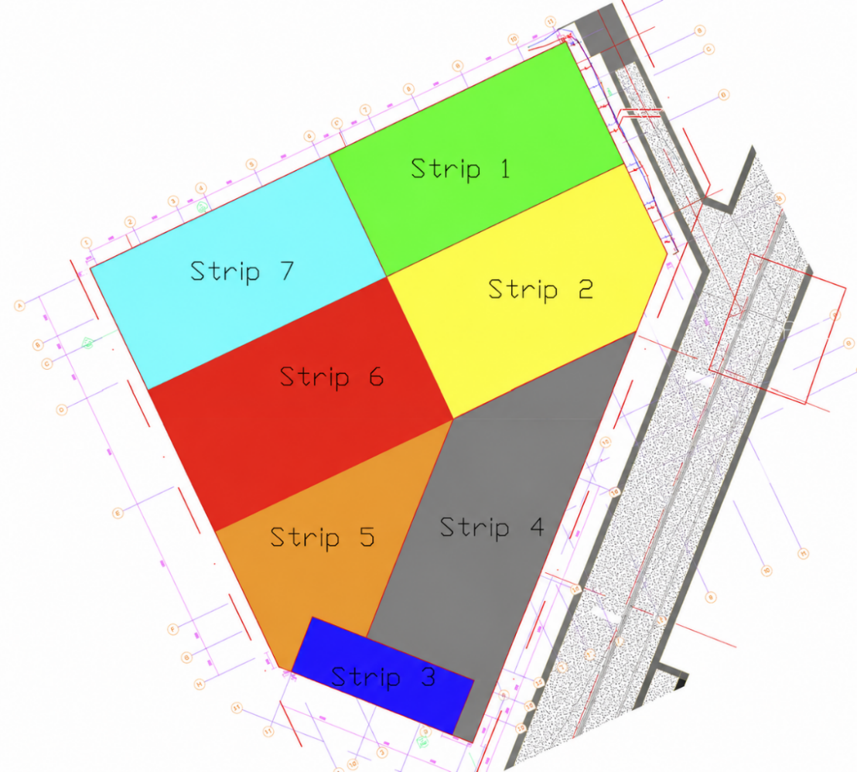
 |  | Area (m^2) | Volume (m^3) |  | Steel progress | Concret progress | Site progreess | Steel fixing Watage | 75%
Part-01 | Strip 1 | 544.90 | 953.57 | 32% | 100% | 100% | 100% | Pouring for Raft Foundation Watage | 25%
 | Strip 7 | 645.86 | 1130.26 | 37% | 100% | 100% | 100%
 | Strip 2 | 212.57 | 372.00 | 12% | 100% | 100% | 100%
 | Strip 6 | 251.92 | 440.86 | 15% | 95% |  | 71%
 | Water Chamber | 200.00 | 120.00 | 4% | 20%
Total |  | 1855.25 | 3016.69 | 100% |  |  | 92%
Part-02 | Strip 3 | 143.46 | 251.06 | 9% | 80% | 0% | 60%
 | Strip 4 | 488.61 | 855.07 | 31% | 70% |  | 52%
 | Strip 5 | 368.04 | 644.07 | 23% | 50% |  | 38%
 | Strip 2 | 249.81 | 437.17 | 16% | 100% | 100% | 100%
 | Strip 6 | 349.87 | 612.27 | 22% | 95% |  | 71%
Total |  | 1599.79 | 2799.63 | 100% |  |  | 61%

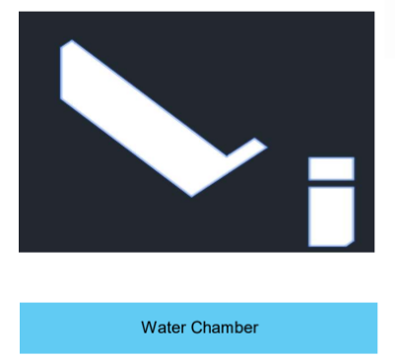
 | Area (m^2) | Thikness (m) | Volume (m^3)
Strip 1 | 544.92 | 1.75 | 953.61 | 16%
Strip 2 | 462.38 | 1.75 | 809.17 | 14%
Strip 3 | 143.46 | 1.75 | 251.06 | 4%
Strip 4 | 488.61 | 1.75 | 855.07 | 15%
Strip 5 | 368.04 | 1.75 | 644.07 | 11%
Strip 6 | 601.76 | 1.75 | 1053.08 | 18%
Strip 7 | 645.86 | 1.75 | 1130.26 | 19%
Water Chamber | 200.00 | 0.60 | 120.00 | 2%

Total | 3455.03 |  | 5816.30 | 100%

